Estimated Load in Qty 1_31_24
Photography | Photography | Photography | Individual Bagged P/N | EMA Model (Case SKU#) | Case Pack Description | Case Qty | GE case SKU # | Case Pack Description | Case Qty
 |  |  | 5304512983 | 5304512983C10 | (10), 4' 40 AMP 3 WIR RANG CRD | 10 | WX09X10003 | (20) 5' wire dryer cord | 20
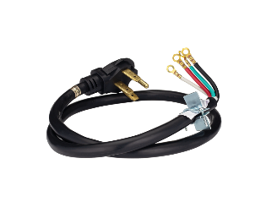 |  |  | 5304512984 | 5304512984C10 | (10), 4' 40 AMP 4 WIR RANG CRD | 10 | WX09X10035 | (12) 4' range cord | 12
 |  |  | 5304512985 | 5304512985C10 | (10), 4' 50 AMP 3 WIR RANG CRD | 10 | WX09X10010 | (24) 4' range cord | 24
 |  |  | 5304512986 | 5304512986C10 | (10), 4' 50 AMP 4 WIR RANG CRD | 10 | WX09X10037 | (20) 4' range cord | 20
 |  |  | 5304520128 | 5304520128C25 | (25), 4' 5/8 SS GAS CON 12MX12M | 25 | PM15X105 | (20) 4' gas range | 20
 |  |  | 5304507963 | 5304507963C15 | (15), 4' BRAID SS FIL HSE 2 PK | 15 | WX14X10005 | (12) 4' SS washer hoses | 12
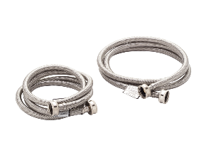 |  |  | 2SSFILHOSE | 2SSFILHOSEC15 | (15), 6' BRAID SS FIL HSE 2 PK | 15 | WX14X10011 | (8) 6' SS washer with 90 degree elbow | 8
 |  |  | 5304507961 | 5304507961C15 | (15), 5FT SS STEAM DRYER KIT | 15 | WX14X10012 | (12) Dryer steam kit | 12
 |  |  | 5304512980 | 5304512980C10 | (10), 4' 30 AMP 4 WIR DRYR CRD | 10 | WX09X10018 | (20) 4' 30 AMP dryer cord | 20
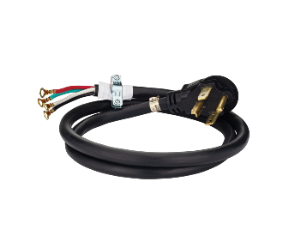 |  |  | 5304520417 | 5304520417C10 | (10), 5' 30 AMP 4 WIR DRYR CRD | 10 | WX09X10019 | (20) 5' dryer cord | 20
 |  |  | 5304512981 | 5304512981C10 | (10), 6' 30 AMP 3 WIR DRYR CRD | 10 | WX09X10004 | (20) 6' 30 AMP dryer cord | 20
 |  |  | 5304512982 | 5304512982C10 | (10), 6' 30 AMP 4 WIR DRYR CRD | 10 | WX09X10020 | (20) 6' dryer cord | 20
 |  |  | 5304521333 | 5304521333C25 | (25), 4FT 1/2OD SS GAS CON KIT | 25 | PM15X105 | (20) 4' range | 20
 |  |  | 5304503421 | 5304503421C12 | (12), 8FT SEMIRIGID VENT UL | 12 | PM8X73 | (12) 8' flexible | 12
 |  |  | 5304520424 | 5304520424C25 | (25), 8FT PEX REF WATERLINE | 25 | PM08X10008 | (20) 8' Braided | 20
 |  |  | 5304490714 | 5304490714C25 | (25), 6' SS DW LIN W BTH ELBOW | 25 | WX28X326 | (10) 6' Braided SS | 10
 |  |  | 5304506295 | 5304506295C20 | (20), DW INS KIT 90D CRD 2 ELB | 20 | WX28X330 | (20) 6' SS Dishwasher kit | 20

